CoC Competition Overview
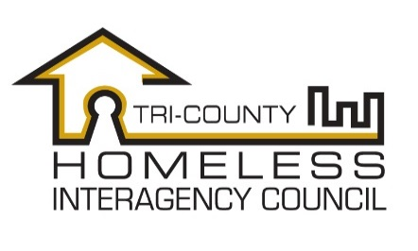 | NC - 506 Tri-County Homeless Interagency Council
 | HUD Continuum of Care FY19 Competition
 | Overview and Funding Priorities

 | CoC Program Competition Overview
 | Each year, HUD announces their Notice of Funding Availability for the Continuum of Care grant competition.
 | The CoC Grant is a nationally competitive process, providing funding to designated homeless continuums of care for Transitional Housing, Permanent Supportive Housing, Rapid Re-Housing, HMIS, Coordinated Entry, and CoC Planning activities.

 | The Continuum of Care is responsible for review of all new and renewal project applications and scoring them according to performance and alignment with community priorities and HUD goals as outlined in the HEARTH Act and Opening Doors.

 | The Continuum of Care is responsible for developing a reallocation plan that will allow the CoC to respond to unmet needs and enhance system performance.
 | In the FY 2019 Competition, the Tri-HIC CoC is able to apply for up to $774,924 in funds based on the HUD Annual Renewal Demand and bonus funds equal to an additional percentage of the CoC's Pro Rata Need as provided in the HUD CoC Notice of Funds Availablity, and CoC planning funds (amount to be determined by the CoC FY18 NOFA).

 | Programs are evaluated using a CoC approved scoring process.

CoC Program Funding Goals:

Provide adequate funding for programs that are effective in ending homelessness and preventing it from recurring.
Encourage reduction in barriers to services and housing, including prioritization of those who are the most vulnerable and lease likely to access services
Serve populations with specific needs and increased barriers to housing including: veterans, chronically homeless, youth and families, and victims of domestic violence
Create cost-effective interventions that seek to enhance system-wide performance by reducing the length of time homeless, increase income and benefits, increase housing placement and retention, and leverage community resources and funding

Instructions
NC - 506 Tri-County Homeless Interagency Council | 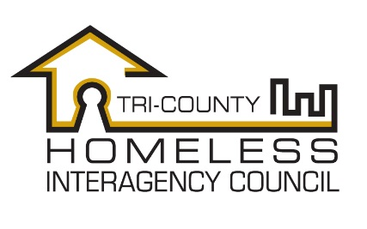
HUD Continuum of Care FY19 Competition
Scorecard Instructions and Requirements

Renewal Projects

Projects that are seeking renewal of their FY2018 CoC funding must submit their Project Renewal application in e-SNAPS by 8/30/19.
In addition, to have their project(s) scored by the project review committee and ranked by the CoC, they must submit the following items as a grant application package to the CoC Director by 4pm on 8/30/19:
1) Complete Project Renewal Application (from e-SNAPS) indicating submission by the above deadline.
Attachment 1: Printout of e-LOCCS draw down summary for the last full grant year.
Attachment 2: Copy of CoC APR from HMIS for the reporting period of 7/1/18-6/30/19.
Attachment 3: Copy of most recent HUD monitoring report (if completed between 1/1/17-12/31/18) or independent auditors report from most recent audit.

Attachment 4: Community collaboration and performance narrative statements.
Attachment 5: (for PSH Projects Only) Page 1 of Entry/Exit Report from HMIS for reporting period 7/1/18-6/30/19.
Attachment 6: Program Entry Criteria and Rules/Participation Requirements
Attachment 7: Staff training and development checklist completed with supporting registration/attendance documents
Attachment 8: (For Exclusively DV Projects Only) Domestic Violence safety improvement and performance data narratives.

*In order to have a scored response to question #8, applicants are encouraged to include a complete description of their model of provide supportive services in project application Q3B1.

Renewal Projects with < 1 year Performance Data (Start Date After 7/1/18)
Projects that are seeking renewal of their FY2018 CoC funding must submit their Project Renewal application in e-SNAPS by 8/30/19.
In addition, to have their project(s) scored by the project review committee and ranked by the CoC, they must submit the following items as a grant application package to the CoC Administrator by 4pm on 8/30/19:
1) Project Renewal Application (from e-SNAPS) indicating submission by the above deadline.
Attachment 3: Copy of most recent HUD monitoring report (if completed between 1/1/17-12/31/18) or independent auditors report from most recent audit.

Attachment 2: Community collaboration and performance narrative statements.
Attachment 3: Program Entry Criteria and Rules/Participation Requirements
Attachment 4: Staff training and development checklist completed with supporting registration/attendance documents
Attachment 8: (For DV Projects Only) Domestic Violence safety improvement and performance data narratives.

Questions that can be scored for these projects are numbered as follows: 5, 6, 7, 8, 9, 12, 13, 15, 17, 19. These will be the questions by which the percentage score will be generated from a potential point value of 95 points.
*In order to have a scored response to question #8, applicants are encouraged to include a complete description of their model of provide supportive services in project application Q3B1.

New Projects

Projects that are seeking new CoC funding for the FY 2019 HUD CoC competition must submit their New Project application in e-SNAPS by 8/30/19.
In addition, to have their project(s) scored by the project review committee and ranked by the CoC, they must submit the following items as a grant application package to the CoC Director by 8/30/19:

Projects that are not providing direct housing services (SSO-Coordinated Entry) can not be scored on all new project questions. Questions that can be scored for an SSO - CE project type are: 3-8, 10, 11, 13, 14, 16, 20, 21, 23. The total maximum points are 115, which will be the basis for the % score.

1) New Project Application (from e-SNAPS) indicating submission by the above deadline.
Attachment #1: Copy of independent auditors report from most recent approved audit.
Attachment #2: List of current Board of Directors and minutes from the most recent BoD meeting.
Attachment #3: Community collaboration and performance narrative statements.
Attachment 4: (For DV Projects Only) Domestic Violence safety improvement and performance data narratives.

Additional Scoring Materials
Additional materials referenced in the scoring tools are as follows:
1) Attendance record for 2018 Tri-HIC meetings
2) Attendance record for FY18 CoC competition meetings.
5) Referral record for PSH priorization list.

Use of the Scorecard
This scorecard is meant to be used in electronic version, so that data entered from the respective source will create an auto-calculated performance measure.

Once the corresponding score has been determined using the scoring matrix, it should be entered in the points field, which will be auto-calculated to create a total score at the top of the page.

Process for Scoring and Ranking Projects
The ranking committee will consist of all non-funded agencies that have attended 50% or more CoC meetings during the last calendar year.
The Project Applications will be scored by a ranking sub-committee with instructions and assistance from the CoC Director
Final Scores as well as copies of completed scorecards will be presented to the complete ranking committee and Tri-HIC general membership for review during the August meeting.

Projects will be ranked from highest to lowest score, using the tie-breaking measure of least cost per permanent housing placement (Renewal Scorecard #16), or based on ranking committee decision for new projects . Ranking will be based on highest to lowest % of total possible points available for project application type.

Funding for Tier 1 will be based on the HUD formula included in the FY19 competition NOFA, which is a percentage of Annual Renewal Demand, and for Tier 2 is the balance of the ARD amount plus the amount possible for a bonus project.

Top scoring project amounts will be totaled until the Tier 1 amount is reached, then lower scoring projects with grant amounts past the Tier 1 threshold will be placed in Tier 2.

*Tier 2 funding is not guaranteed and is based on a HUD formula combining CoC performance and project performance.

