CoC Competition Overview
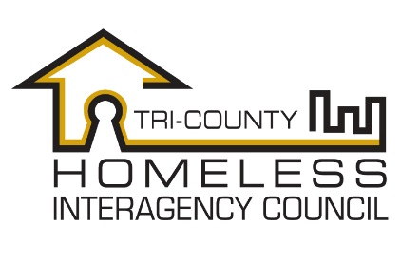 | NC - 506 Tri-County Homeless Interagency Council
 | HUD Continuum of Care FY17 Competition
 | Overview and Funding Priorities

 | CoC Program Competition Overview
 | Each year, HUD announces their Notice of Funding Availability for the Continuum of Care grant competition.
 | The CoC Grant is a nationally competitive process, providing funding to designated homeless continuums of care for Transitional Housing, Permanent Supportive Housing, Rapid Re-Housing, HMIS, Coordinated Entry, and CoC Planning activities.

 | The Continuum of Care is responsible for review of all new and renewal project applications and scoring them according to performance and alignment with community priorities and HUD goals as outlined in the HEARTH Act and Opening Doors.

 | The Continuum of Care is responsible for developing a reallocation plan that will allow the CoC to respond to unmet needs and enhance system performance.
 | In the FY 2017 Competition, the Tri-HIC CoC is able to apply for up to $648,502 in funds based on the HUD Annual Renewal Demand, bonus funds equal to an additional percentage of the CoC's Pro Rata Need as provided in the HUD CoC Notice of Funds Availablity, and CoC planning funds (amount to be determined by the CoC FY17 NOFA).

 | Programs are evaluated using a CoC approved scoring process.

CoC Program Funding Goals:

Provide adequate funding for programs that are effective in ending homelessness and preventing it from recurring.
Encourage reduction in barriers to services and housing, including prioritization of those who are the most vulnerable and lease likely to access services
Serve populations with specific needs and increased barriers to housing including: veterans, chronically homeless, youth and families, and victims of domestic violence
Create cost-effective interventions that seek to enhance system-wide performance by reducing the length of time homeless, increase income and benefits, increase housing placement and retention, and leverage community resources and funding

